Q.2
 |  | TOPIC: There could be more than 1 solution to this question. Following is 1 of the solution. • AVERAGEIFS | TOPIC: There could be more than 1 solution to this question. Following is 1 of the solution. • Helper Column • COUNTIFS | TOPIC: There could be more than 1 solution to this question. Following is 1 of the solution. • Double XLOOKUP | TOPIC: There could be more than 1 solution to this question. Following is 1 of the solution. • Double XLOOKUP | TOPIC: There could be more than 1 solution to this question. Following is 1 of the solution. • Helper Column - COUNTIFS • FILTER

NAME | ASSESSMENT SCORE | Q.1 | Q.2 | Q.3 - Old Score | Q.3 - New Score | Q.4
Student 1 | 6 | 1 | 1 | 2 | 1 | 1 | Q.2 | Apply Grouping as follows:
Student 2 | 1 | 1 | 0 | 0 | 0 | 0 |  | On columns#C-G.
Student 3 | 5 | 1 | 0 | 2 | 1 | 1 |  | On columns#E, F.
Student 4 | 5 | 1 | 0 | 2 | 1 | 1 |  | On Rows#1-10.
Student 5 | 0 | 0 | 0 | 0 | 0 | 0 | Hint | Please refer to the screenshot below.
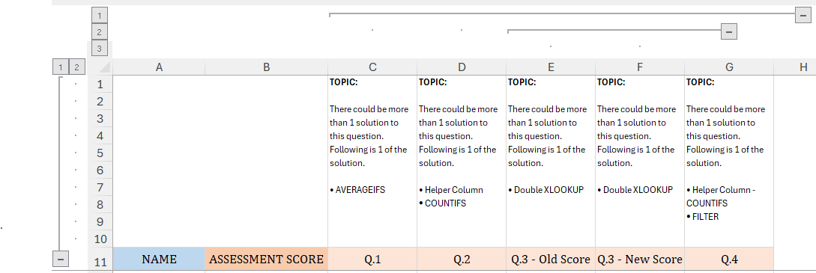
Student 6 | 5 | 1 | 0 | 2 | 1 | 1
Student 7 | 4 | 0 | 0 | 2 | 1 | 1
Student 8 | 4 | 0 | 1 | 2 | 1 | 0
Student 9 | 5 | 1 | 0 | 2 | 1 | 1
Student 10 | 5 | 0 | 1 | 2 | 1 | 1
Student 11 | 1 | 0 | 0 | 0 | 0 | 1
Student 12 | 2 | 1 | 1 | 0 | 0 | 0
Student 13 | 6 | 1 | 1 | 2 | 1 | 1
Student 14 | 0 | 0 | 0 | 0 | 0 | 0
Student 15 | 1 | 0 | 0 | 0 | 0 | 1

